DASHBOARD
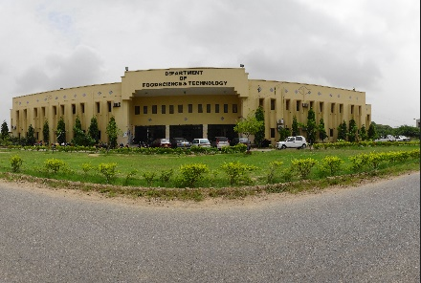
COMPREHENSIVE DATA ANALYSIS OF PAKISTANI UNIVERSITIES

Total Universities
227
Public Universities
178 (64.3 %)
Public Universities
78 (34.4 %)
Military Universities
3 (1.3 %)

Yearly Growth of Universities
 | HeadCount
1860 | 1
1864 | 3
1873 | 4
1875 | 5
1881 | 6
1882 | 8
1885 | 9
1897 | 10
1906 | 11
1913 | 13
1917 | 14
1921 | 15
1922 | 17
1945 | 18
1947 | 21
1948 | 22
1949 | 23
1950 | 26
1951 | 28
1955 | 30
1957 | 31
1959 | 32
1962 | 33
1963 | 34
1967 | 36
1969 | 37
1970 | 41
1973 | 43
1974 | 48
1975 | 51
1977 | 52
1980 | 55
1981 | 56
1983 | 57
1984 | 59
1985 | 60
1986 | 62
1987 | 65
1988 | 66
1989 | 68
1990 | 69
1991 | 71
1993 | 73
1994 | 78
1995 | 81
1997 | 84
1998 | 91
1999 | 92
2000 | 96
2001 | 105
...
Distribution by Type
Military | 3
Private | 78
Public | 146
Distribution by Province
 | Total
Azad Jammu and Kashmir | 7
Balochistan | 10
Federal Capital Territory | 24
Gilgit-Baltistan | 2
Khyber Pakhtunkhwa | 43
Punjab | 81
Sindh | 60

Distribution by Specialization
 | Agriculture and Veterinary | Arts and Design | Engineering and Technology | General | Medical | Sufism
Azad Jammu and Kashmir |  |  |  | 7
Balochistan |  |  | 1 | 9
Federal Capital Territory |  |  | 2 | 21 | 1
Gilgit-Baltistan |  |  |  | 2
Khyber Pakhtunkhwa |  |  | 2 | 41
Punjab | 1 | 1 | 3 | 70 | 5 | 1
Sindh |  |  | 1 | 59
Top 10 Cities by Universities
 | Total
Benazirabad | 4
Quetta | 4
Hyderabad | 4
Rawalpindi | 6
Faisalabad | 6
Multan | 7
Peshawar | 14
Islamabad | 24
Lahore | 35
Karachi | 40
Distribution of Type by Province
 | Military | Private | Public
Azad Jammu and Kashmir |  | 2 | 5
Balochistan |  | 1 | 9
Federal Capital Territory |  | 8 | 16
Gilgit-Baltistan |  |  | 2
Khyber Pakhtunkhwa | 2 | 10 | 31
Punjab |  | 25 | 56
Sindh | 1 | 32 | 27

